Chart1
4PB_7
1 | 300 | 3 | 238
2 | 278 | 5 | 220
4 | 257 | 7 | 220
6 | 238 | 11 | 189
8 | 238
9 | 220
10 | 204
12 | 204
13 | 189
14 | 162

Data
Sl. No | loads | cycles | censor
1 | 300 | 1129924 | 1
2 | 278 | 482604 | 1
3 | 238 | 5000276 | 0
4 | 257 | 1430540 | 1
5 | 220 | 5000291 | 0
6 | 238 | 2164965 | 1
7 | 220 | 5000218 | 0
8 | 238 | 1265822 | 1
9 | 220 | 1185142 | 1
10 | 204 | 2727084 | 1
11 | 189 | 5000335 | 0
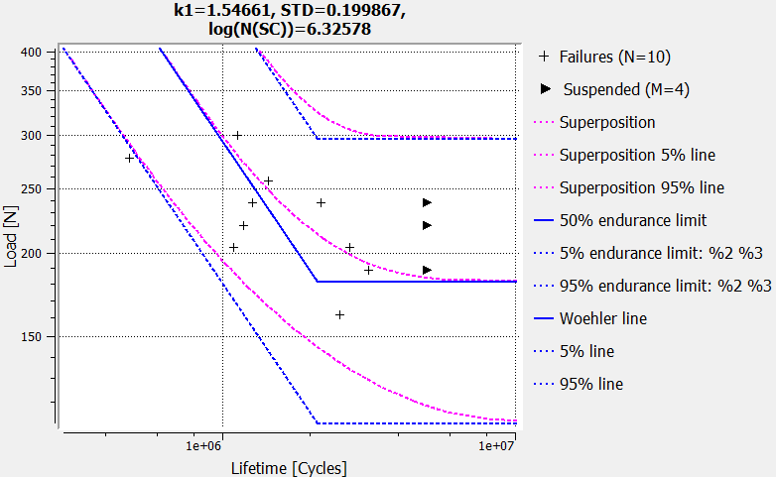
12 | 204 | 1089412 | 1
13 | 189 | 3166220 | 1
14 | 162 | 2516731 | 1

